Sheet1
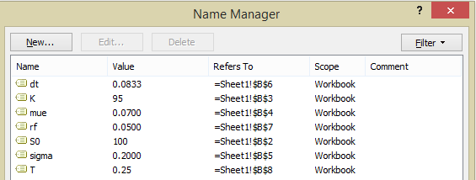
Setup | pa
So | 100 |  |  |  |  | e=NORMINV(RAND(),0,1)
K | 95
m | 0.0700
s | 0.2000
dt | 0.0833
rf | 0.0500
T | 0.25
Call Option | #DIV/0!
Put Option | #DIV/0!
Re-Calculate table with F9
Scene | St | Month 1 | Month 2 | Month 3 | Call Payoff max(ST-K,0) | Put Payoff max(K-ST,0)
1 | 100
2 | 100
3 | 100
4 | 100
5 | 100
6 | 100
7 | 100
8 | 100
9 | 100
10 | 100
11 | 100
12 | 100
13 | 100
14 | 100
15 | 100
16 | 100
17 | 100
18 | 100
19 | 100
20 | 100
21 | 100
22 | 100
23 | 100
24 | 100
25 | 100

Sheet2
Setup | pa
So | 100
K | 95
m | 0.0700
s | 0.2000
rf | 0.0500
 |  | Choices
Timescale | 12 | 12 | 252
T | 3 | 3 | 60
dt | 0.0833 | leave as is
Steps | 3 | leave as is
Scene | 1000
Call Option |  | output from programs
Put Option |  | output from programs
Clear All
 |  | Simulations |  | Call | Put

Monte Carlo Option

